Bug
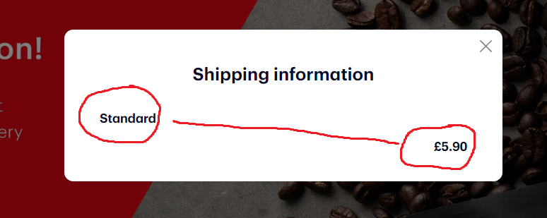
ID | Test ID | Summary | Description | Priority | Steps to reproduce | Expected result | Actual result
1 | 11 | Shipping information in menu "Details" is not on the same line | When user try to get shipping info, text is not on the same line | Low | Precondition: The test user is registered in "Bodum"
 |  |  |  |  | 1. Go to https://www.bodum.com/gb/en/
 |  |  |  |  | 2. Sign in as a test user
 |  |  |  |  | 3. Click on button "Details" at the top of the page | 3. Appears shipping information | 3. Appears shipping information, and text is not on the same line

